Resumo
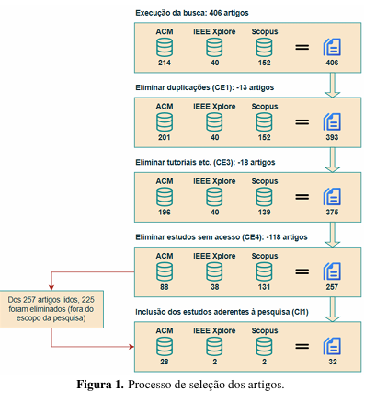
 | 1ª etapa | 2ª etapa |  | 3ª etapa |  | 4ª etapa |  | 5ª etapa
 | Export. Parsifal | Eliminar duplicados |  | Eliminar livros, tutoriais etc. |  | Eliminar sem acesso |  | Eliminar fora escopo

 | Qtd. Itens | Retirar | Nova qtd. | Retirar | Nova qtd. | Retirar | Nova qtd. | Retirar | Nova qtd.
ACM | 214 | 13 | 201 | 5 | 196 | 108 | 88 | 59 | 29
IEEE | 40 | - | 40 | - | 40 | 2 | 38 | 36 | 2 | 32 artigos incluídos na lista final do MSL
SCOPUS | 152 | - | 152 | 13 | 139 | 8 | 131 | 130 | 1
Total | 406 | 13 | 393 | 18 | 375 | 118 | 257 | 225 | 32

